Case Data
week | O | P1 | P2 | P3 | capacity | o.s.(-2) | p.s.(-2) | o.s.(0) | p.s.(0) | COST | treated O | delayed O | treated P1 | delayed P1 | treated P2 | delayed P2 | treated P3 | delayed P3
1 | 23 | 30 | 19 | 11 | 18 | 11 | 7 | 8 | 4 | 1210 | 23 | 0 | 30 | 0 | 19 | 0 | 11 | 0
2 | 23.5 | 60 | 27.3 | 17 | 18 | 11 | 7 |  |  |  |  |  |  |  |  |  |  |  | lead time | P1,O | P1,P2 | O,P2 | P2,O | P2,P3 | P3P3 | P-sessions
3 | 31 | 53 | 22.6 | 8 | 30 |  |  |  |  |  |  |  |  |  |  |  |  |  | 1 | 0.05 | 0.00 | 0.10 | 0.00 | 0.00 | 0.00 | 16
4 | 24 | 44 | 10 | 14 | 30 |  |  |  |  |  |  |  |  |  |  |  |  |  | 2 | 0.10 | 0.10 | 0.20 | 0.10 | 0.00 | 0.00 | O-sessions
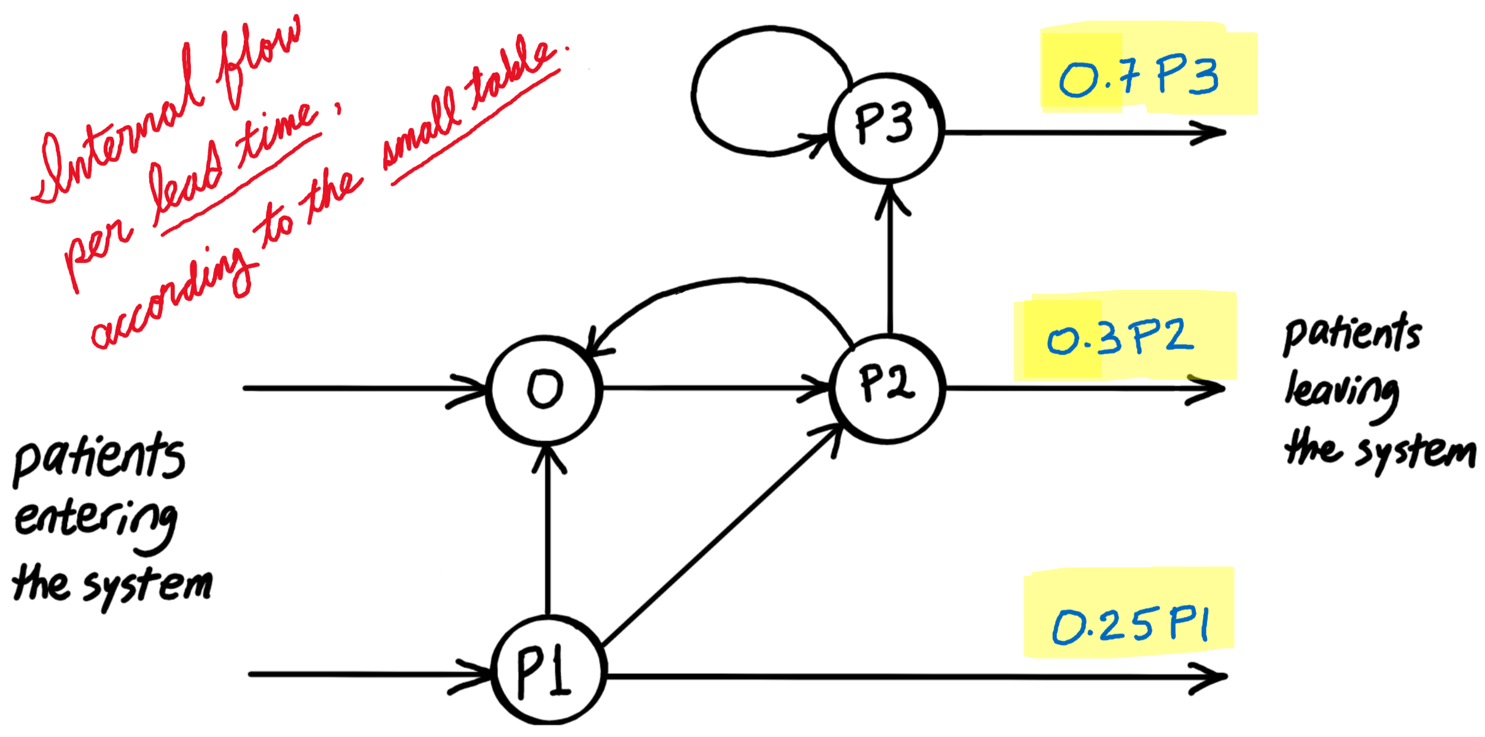
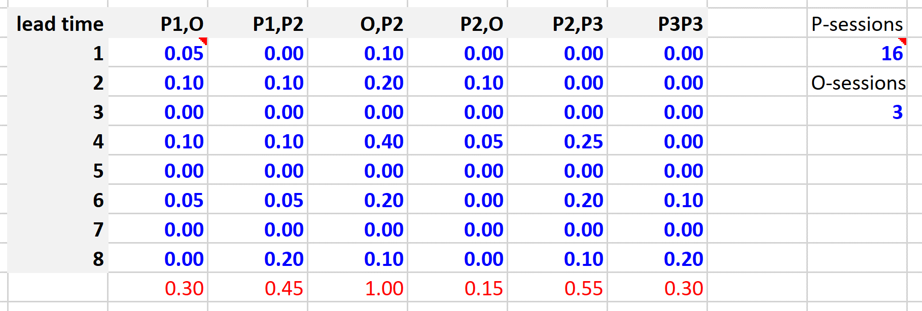
5 | 31 | 59 | 21.2 | 9 | 24 |  |  |  |  |  |  |  |  |  |  |  |  |  | 3 | 0.00 | 0.00 | 0.00 | 0.00 | 0.00 | 0.00 | 3
6 | 16 | 39 | 7 | 7 | 18 |  |  |  |  |  |  |  |  |  |  |  |  |  | 4 | 0.10 | 0.10 | 0.40 | 0.05 | 0.25 | 0.00
7 | 21.5 | 54 | 11.5 | 7 | 12 |  |  |  |  |  |  |  |  |  |  |  |  |  | 5 | 0.00 | 0.00 | 0.00 | 0.00 | 0.00 | 0.00
8 | 13 | 44 | 4 | 2 | 18 |  |  |  |  |  |  |  |  |  |  |  |  |  | 6 | 0.05 | 0.05 | 0.20 | 0.00 | 0.20 | 0.10
9 | 8 | 39 | 6 |  | 18 |  |  |  |  |  |  |  |  |  |  |  |  |  | 7 | 0.00 | 0.00 | 0.00 | 0.00 | 0.00 | 0.00
10 | 18 | 38 |  |  | 24 |  |  |  |  |  |  |  |  |  |  |  |  |  | 8 | 0.00 | 0.20 | 0.10 | 0.00 | 0.10 | 0.20
11 | 8 | 43 |  |  | 30
12 | 14 | 53 |  |  | 30 |  |  |  |  |  |  |  |  |  |  |  |  |  |  | 0.30 | 0.45 | 1.00 | 0.15 | 0.55 | 0.30
13 | 15 | 33 |  |  | 24
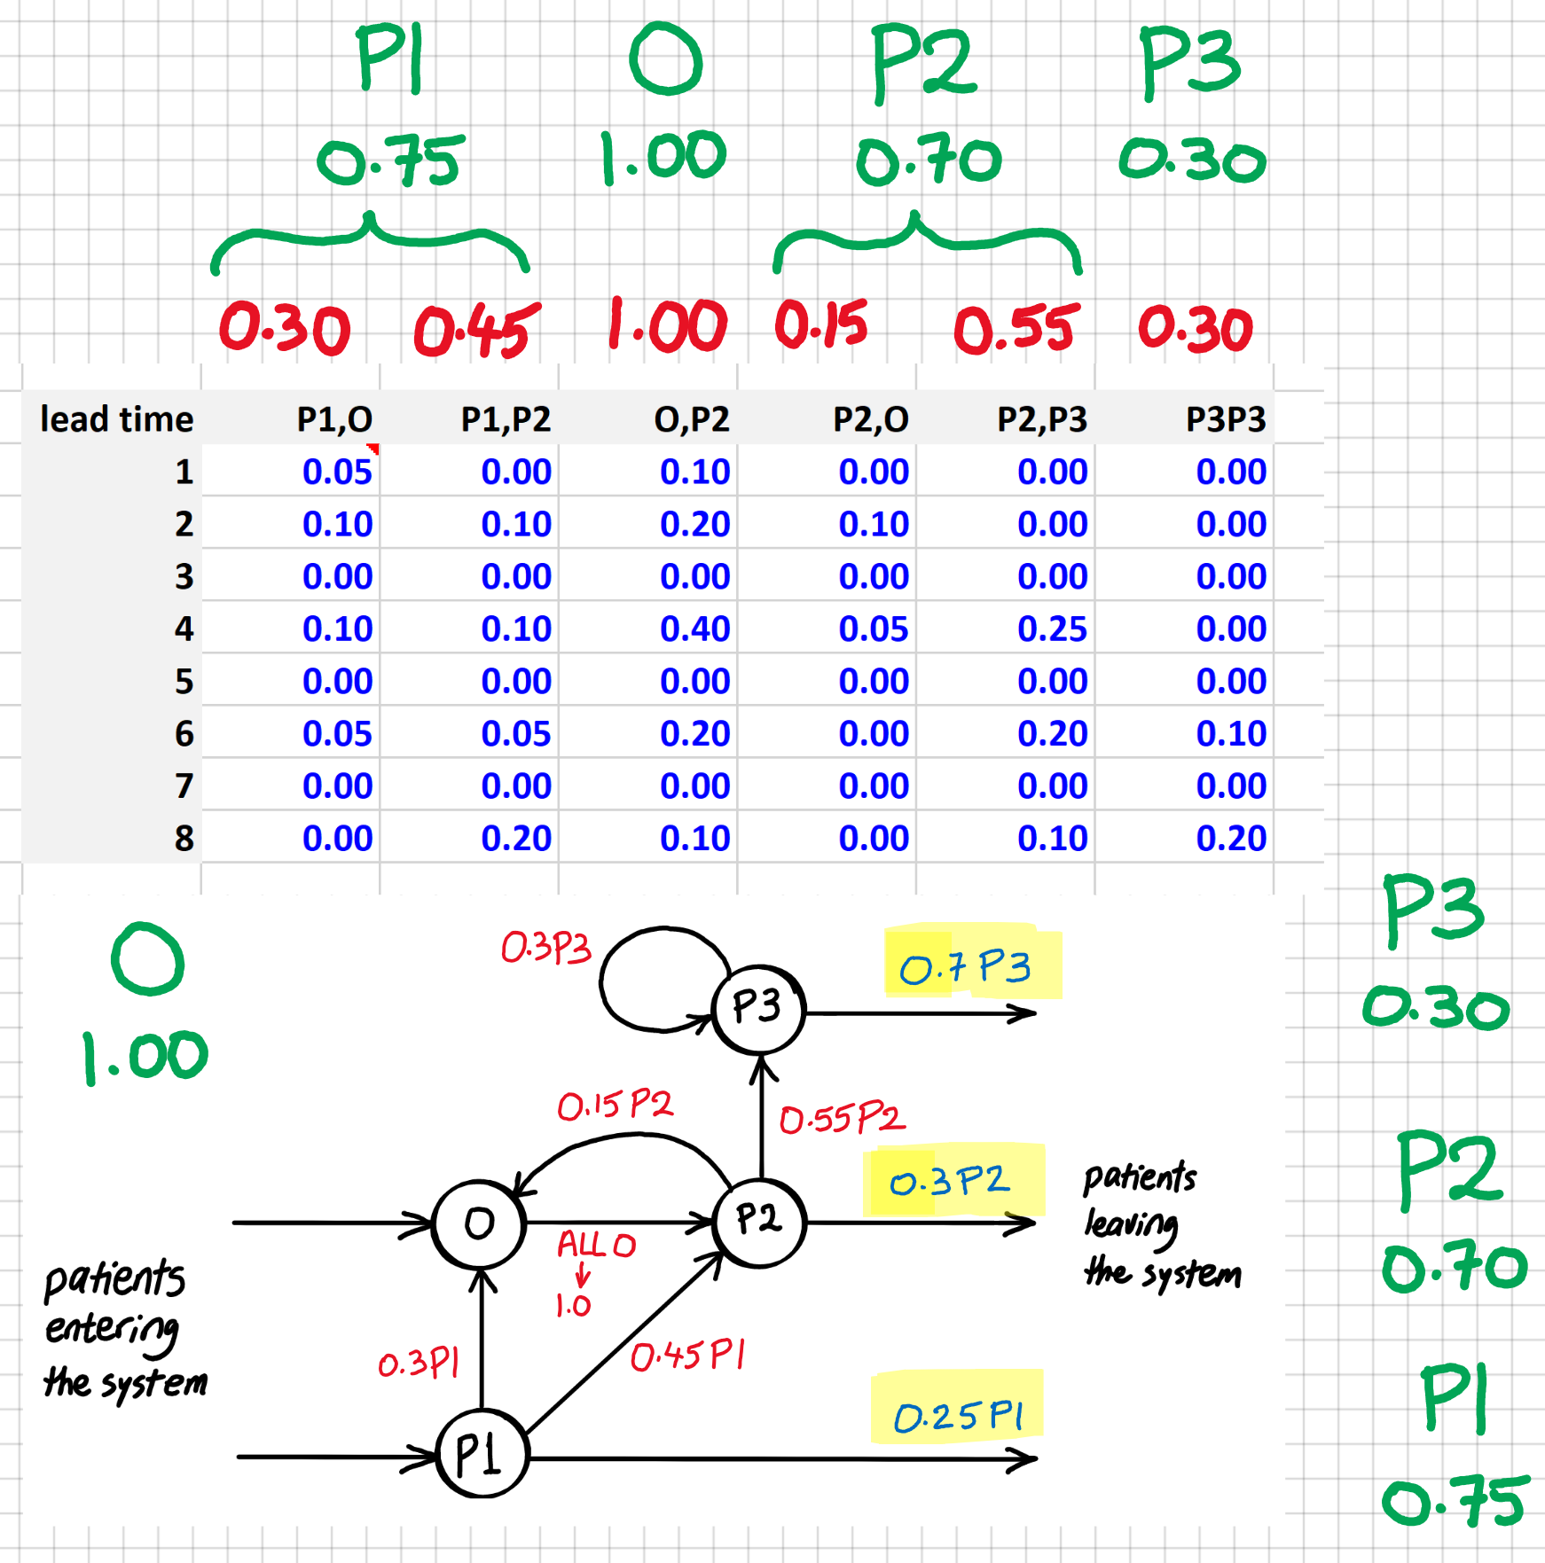
14 | 10 | 40 |  |  | 30
15 | 17 | 49 |  |  | 30
16 | 21 | 36 |  |  | 24
17 | 8 | 56 |  |  | 30
18 | 12 | 54 |  |  | 18
19 | 15 | 46 |  |  | 18
20 | 10 | 47 |  |  | 24
21 | 16 | 44 |  |  | 30
22 | 16 | 53 |  |  | 24
23 | 11 | 61 |  |  | 24
24 | 11 | 59 |  |  | 30
25 | 16 | 40 |  |  | 30
You must book sessions, two weeks in advance. AT THE BEGINNING OF A WEEK, YOU CANNOT ADD SESSIONS (ONLY CANCEL OR CHANGE)! So the sum of the yellow sessions cannot exceed the red sessions.
The red column is the preliminary decision from two weeks in advance for that week. The yellow column is the final and executed decision. Cost should be calculated based on the yellow column and how it changed from the red column. The gray columns and cells are fixed and will not change in the process. The white cells may change as new patients will be added to them from prior weeks (not just last week). You should come up with rules for the two weeks in advance decisions (red columns) and the same week adjustments (yellow columns) that are consistently applied week-by-week.
26 | 7 | 48 |  |  | 24
27 | 12 | 36 |  |  | 18
28 | 15 | 43 |  |  | 12
29 | 8 | 42 |  |  | 18
30 | 19 | 47 |  |  | 18
31 | 12 | 51 |  |  | 12
32 | 11 | 49 |  |  | 18
33 | 9 | 42 |  |  | 30
34 | 18 | 60 |  |  | 30
35 | 11 | 36 |  |  | 30
36 | 7 | 45 |  |  | 30
37 | 19 | 56 |  |  | 24
38 | 21 | 58 |  |  | 30
39 | 12 | 43 |  |  | 24
40 | 8 | 32 |  |  | 30
41 | 15 | 52 |  |  | 24
42 | 14 | 45 |  |  | 30
43 | 10 | 36 |  |  | 30
44 | 11 | 46 |  |  | 30
45 | 16 | 41 |  |  | 24
46 | 13 | 52 |  |  | 30
47 | 15 | 40 |  |  | 30
48 | 15 | 56 |  |  | 24
49 | 9 | 35 |  |  | 18
50 | 15 | 52 |  |  | 12
51 | 17 | 38 |  |  | 18
52 | 11 | 30 |  |  | 12

